Sheet1
A* Danger Threshold Value
0.2
0.2
0.2
0.22
0.242
0.2662
0.29282
0.322102
0.3543122
0.38974342
0.428717762
0.2
0.22
0.242
0.2662
0.29282
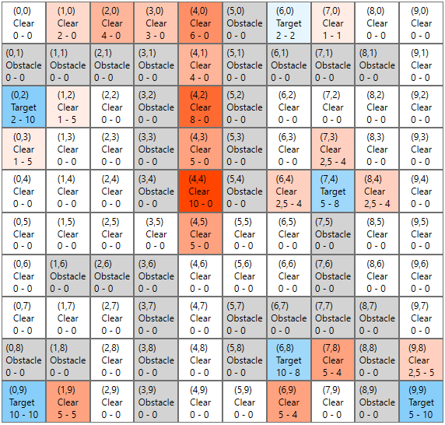
0.322102
0.2
0.22
0.242
0.2662
0.29282
0.322102
0.3543122
0.38974342
0.428717762
0.4715895382
0.51874849202
0.57062334122
0.62768567534
0.2
0.22
0.242
0.2662
0.29282
0.322102
0.3543122
0.38974342
0.428717762
0.2
0.22
0.242
0.2662
0.29282
0.322102
0.3543122
0.38974342
0.428717762
0.4715895382
0.51874849202
0.57062334122
0.62768567534
0.69045424288
0.75949966717
0.83544963388
0.2
0.22
0.242
0.2662
0.29282
0.322102
0.3543122
0.38974342
0.428717762
0.4715895382
0.51874849202
0.2
0.22
0.242
0.2662
0.29282
0.322102
0.3543122
0.38974342
0.428717762
0.4715895382
0.51874849202
0.57062334122
0.62768567534
0.69045424288
0.75949966717
0.83544963388
0.91899459727
1.010894057
0.2
0.22
0.242
0.2662
0.29282
0.322102
0.3543122
0.38974342
0.428717762
0.4715895382
0.51874849202

